Sheet1
dashboard

Search PDC Clearing
Search Events
Search Meetings | display this section after data is entered
Search Notice
Search Maintenance
Search Receipt

 | describe the 'status' section in ledgers

 | hide table heading of edit coloum and delete coloum from all table

 | active and inactive coloum should be shown in section selection

 | search with match cases

 | server error occure during filling new entry of building

 | data should be search when enter key is used

 | describe 'wing' secton from wing master

 | search button is far from data entery section

 | after clicking esc same section is shown on left side but page is different

 | search society member doesn't show data for empty search

 | Server Error in '/' Application. is showing while filling new entry of

 | flat no is not getting shown

 | upload button is far in filling owner details

 | search visitor : search and new entry button is close

 | lable text should be dark and text box inner text should be light in colour

 | staff new entry is not getting saved

 | in society expence select all customer is not working properly

 | in new maintaines nature of charge is not getting edited Not an error

 | Line 175: <asp:TextBox ID="txt_from_date" runat="server" Height="32px" Width="200px" required TextMode="Date" OnTextChanged="txt_from_date_TextChanged" AutoPostBack="true"></asp:TextBox>

 | event master is having error

 | contact save person's type add other option

 | remove document type from document master

 | add terms and condition

 | chat bot

 | same parking acess to different vehicle

 | in add loan and lein type of loan add option for it
 | in add loan and lein Share Certificate With: add option for it |  |  |  |  | temporarily add certificate in ddl

 | in new caretaker document type add more options
 | in new caretaker Document Executed : make it mandatory ( add star ) and create it to attach document

 | in document upload document name add option
 | wing name in document upload is empty

 | flat no. in document upload is empty
 | chose file option should be under document name

 | make all search button near search bar

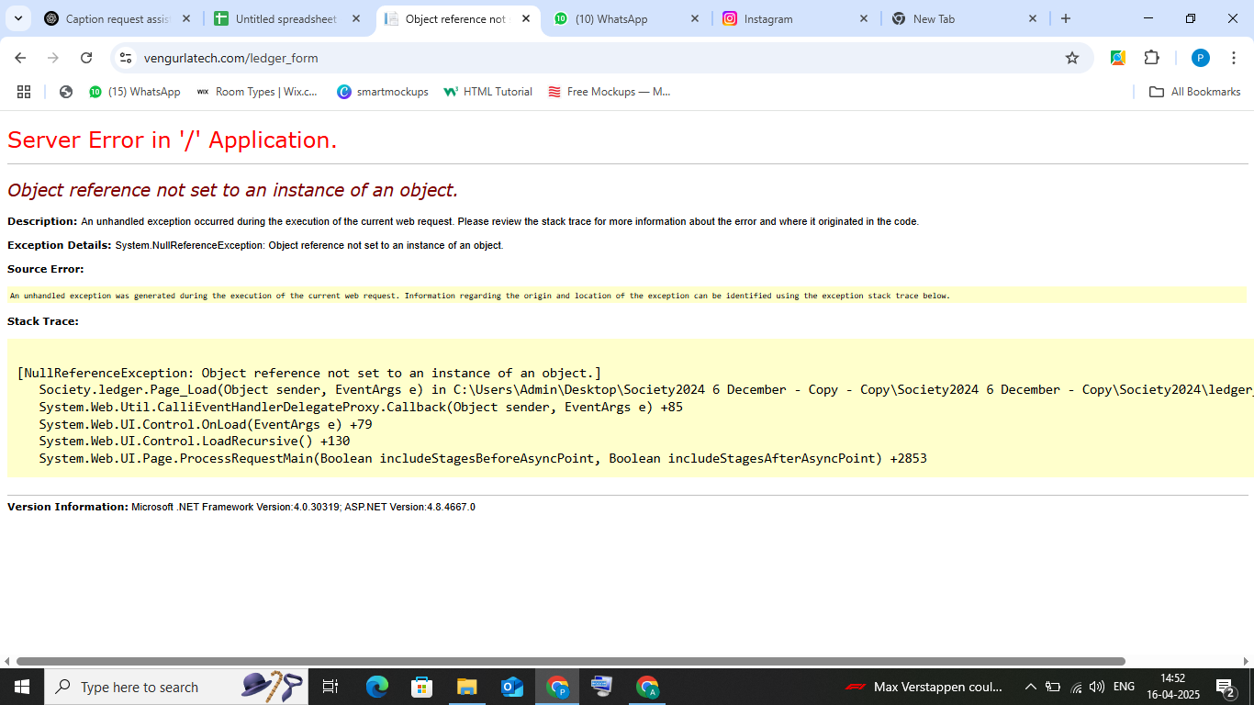
 | erroe coming for ledger

 | shop mantanance add ledgers option
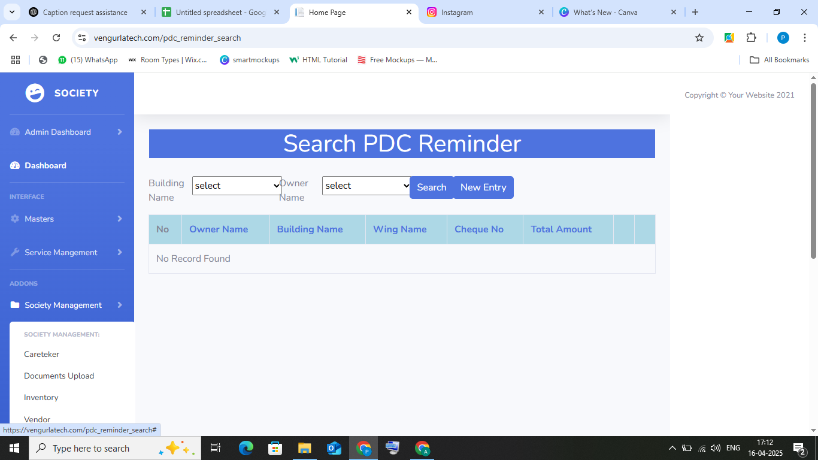

 |  | full page arrangement

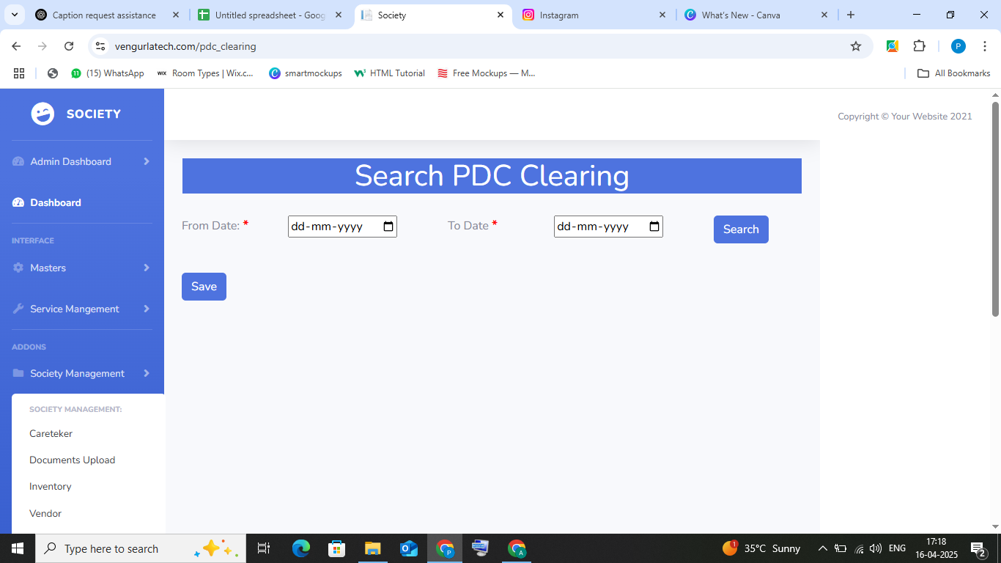

 |  | why save button is added
 |  | from date and to date is too far and search button also

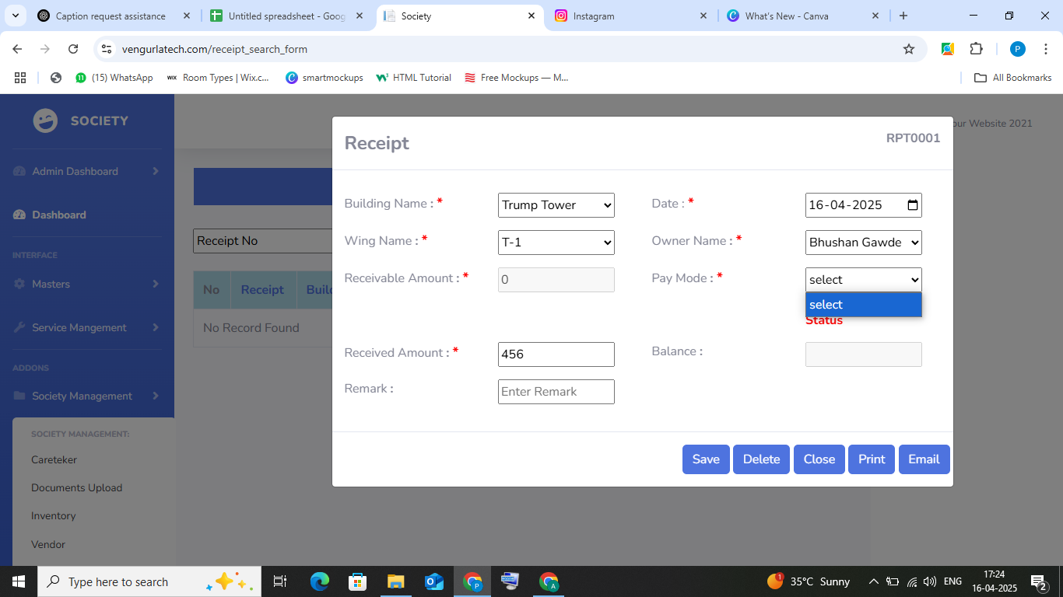
 |  | in receipt receivable amount and balance bar is not in use
 |  | pay mode don't have option
 |  | entry is no visible
 |  | Email model not opened

 |  | in society expence comment is important?

 |  | in suggestion remove details from search

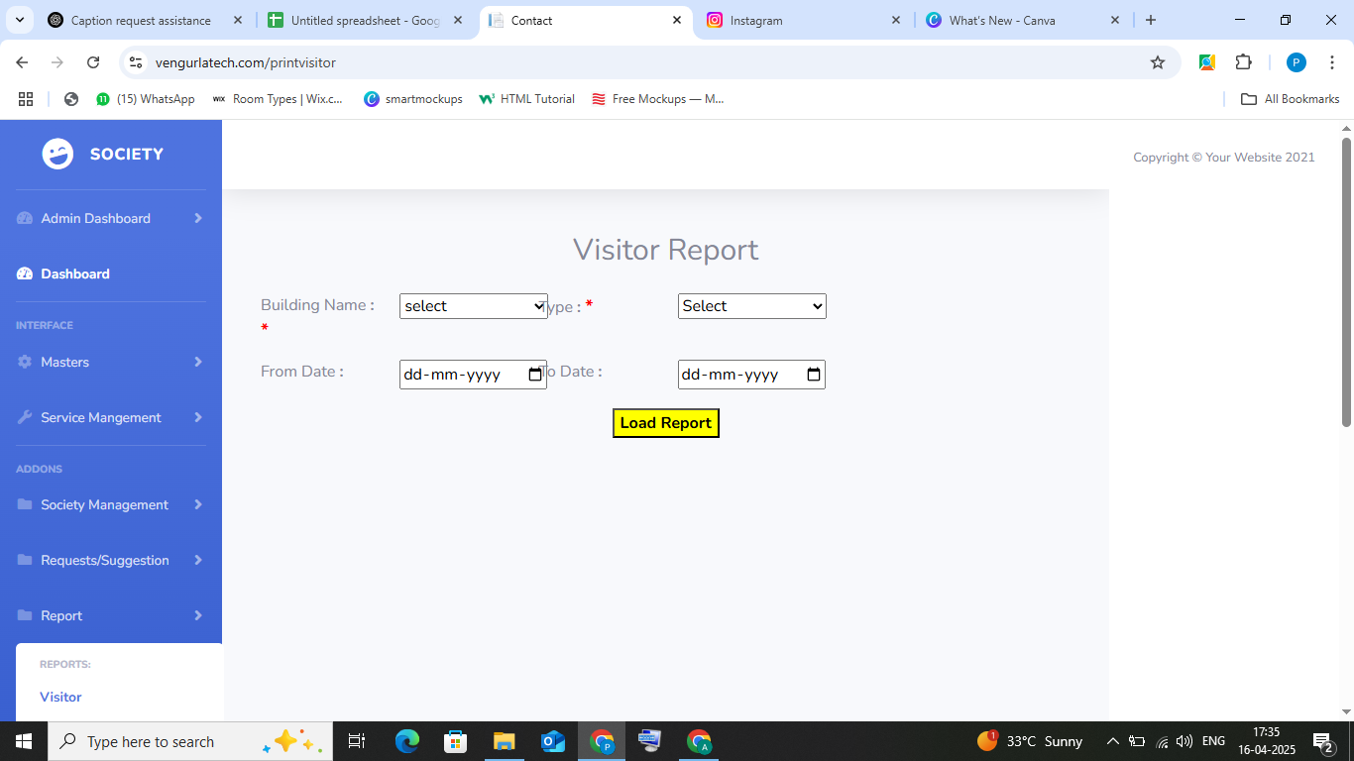

 |  | arrangement is not correct
 |  | in building name option is not there
 |  | from date calender is not opening

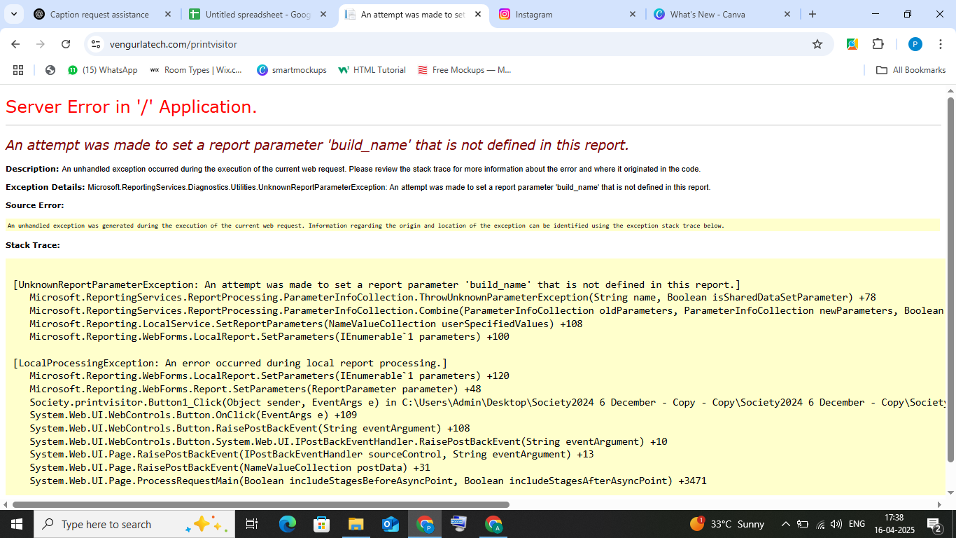

 |  | error is coming after clicking load report

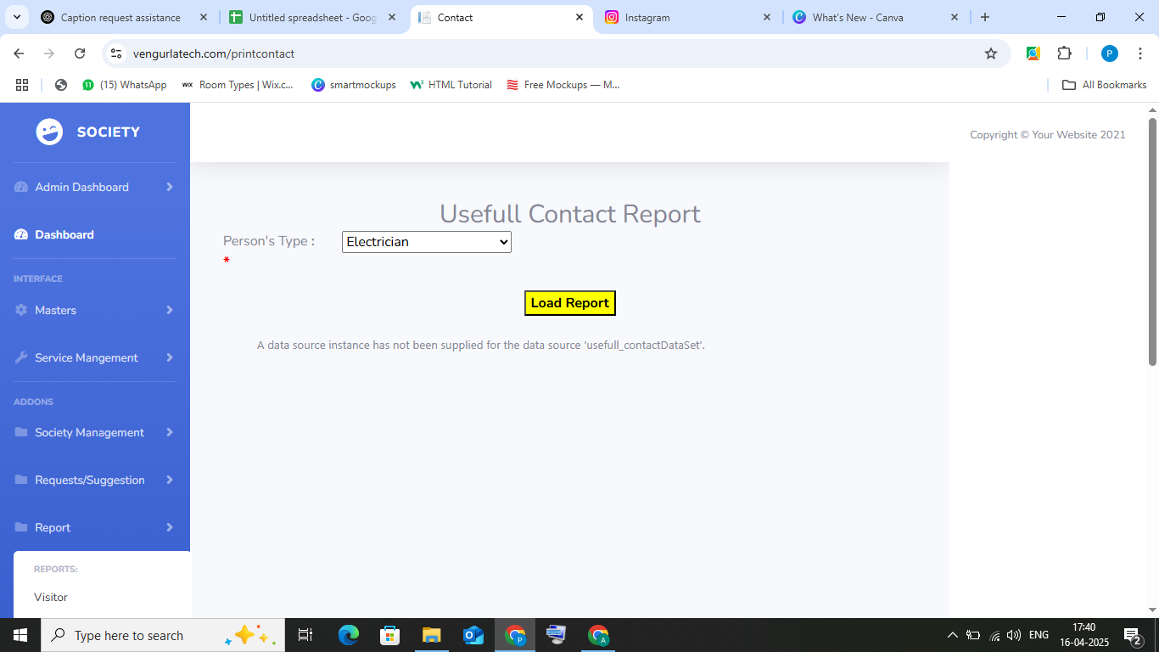

 |  | after selecting person type and load report this is showing

 |  | shop mantainance report title is connected
 |  | payment method is not having option
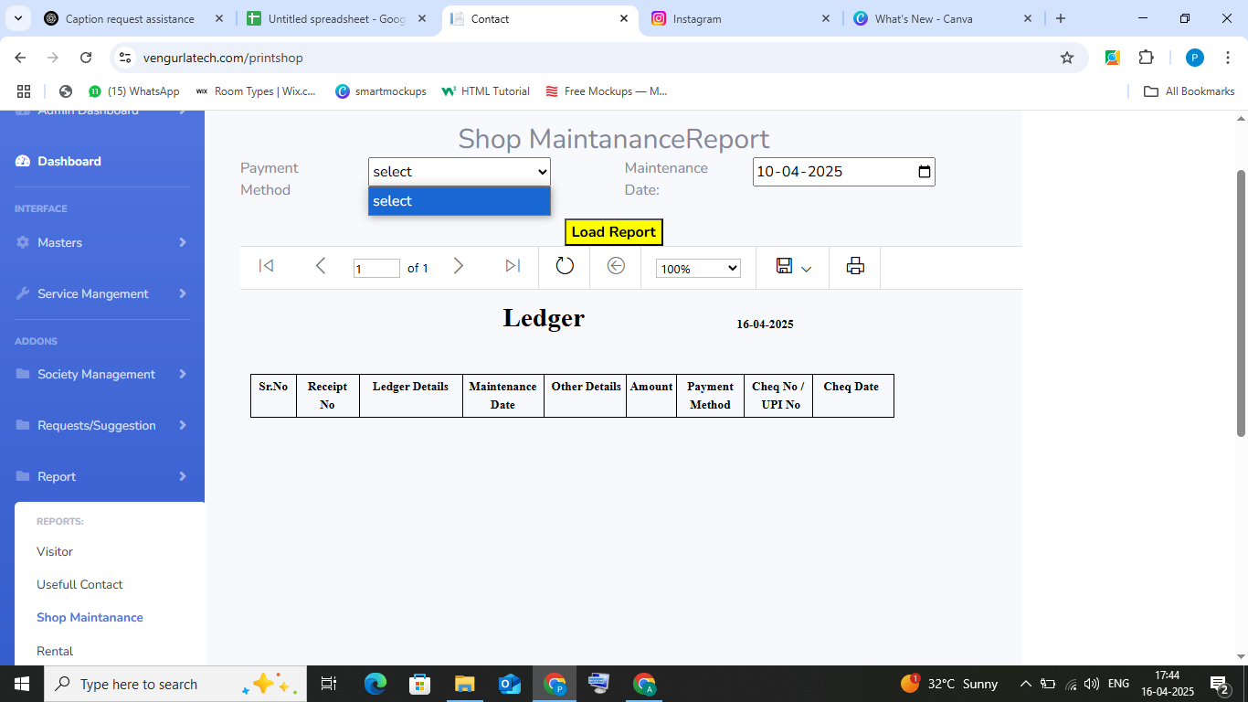



 |  | after clicking load report of rental report

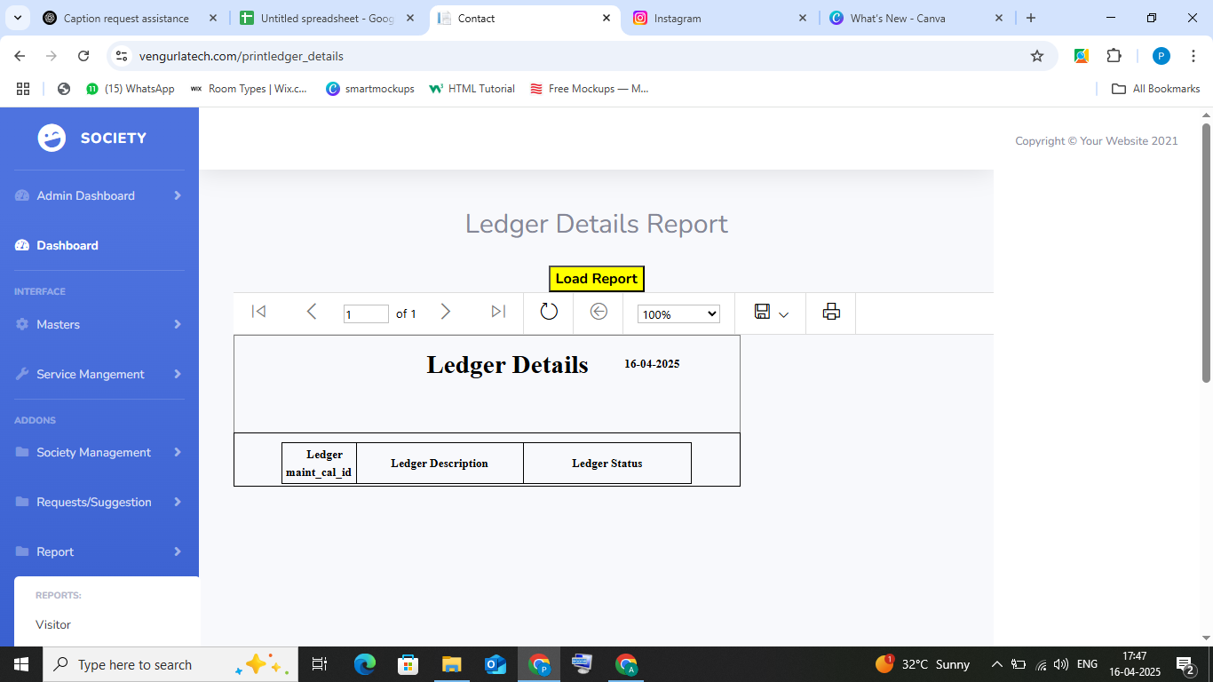

 |  | define it

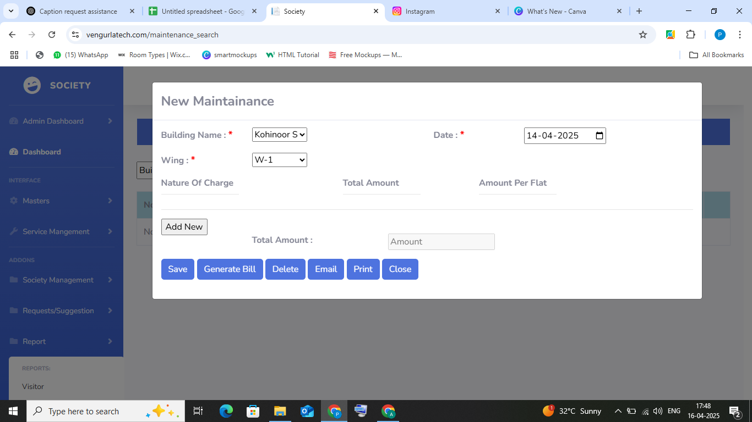

 |  | in new mantainancenature of charge , total amount , amount per flat and total amount is not getting selected
 |  | add new is not operating

 |  | in maintanance recipt having same issue of receipt

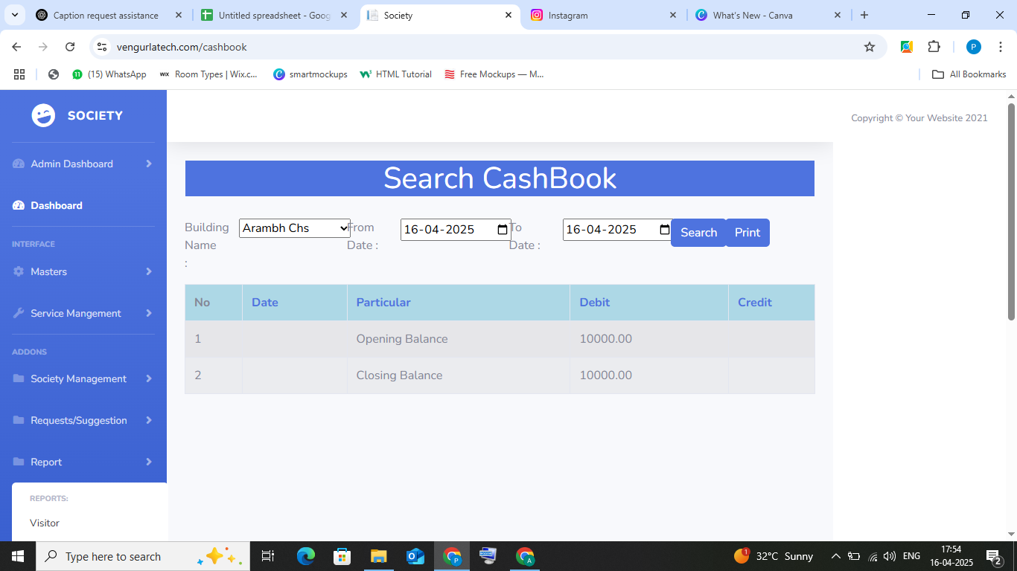

 |  | in cashbook arrangement is not correct

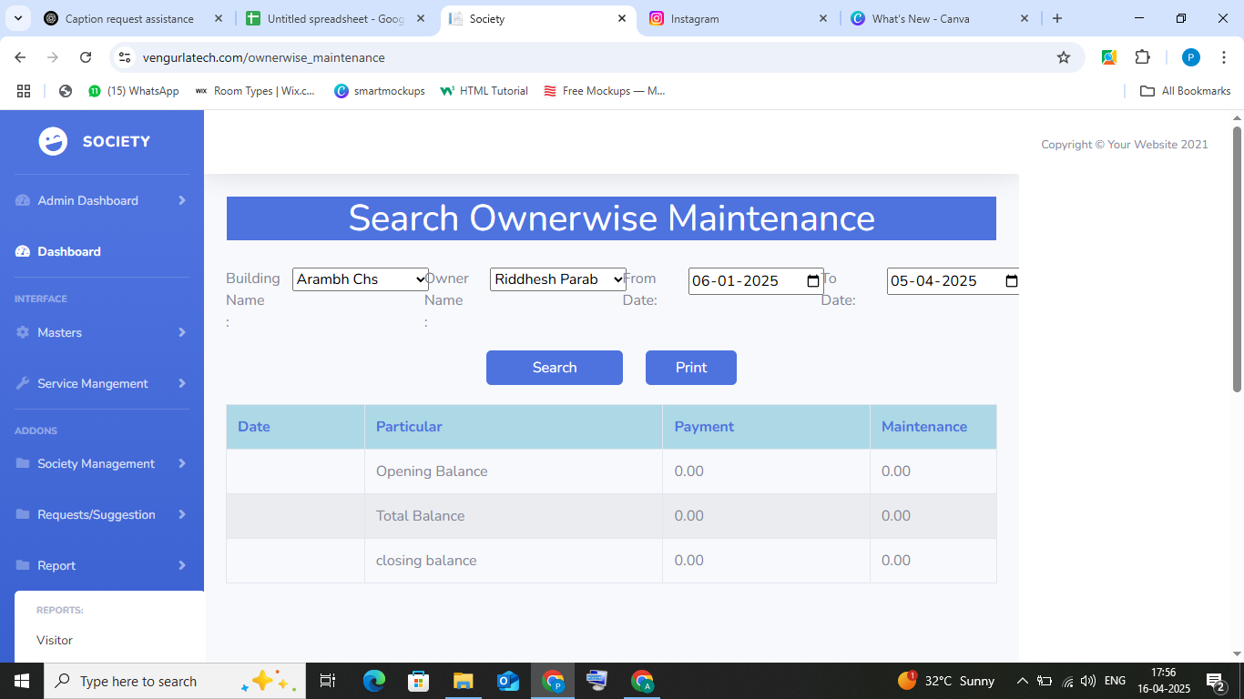

 |  | in ownerwise maintanance arrangement is so close

 |  |  | Add Dinasore image on dashboard page when donut is empty

 | society_search |  |  | add registration no already exhist. | in society registration.
 | Search Society_members |  |  | Name is not search on search+society_members.
 | Building_master |  |  | Building Name not search

